Document History
국민대학교 종합정보시스템 구축
업무기능분해도
Document History

No | Version | Change Date | Change Cause | Change Description | Author | Approver
1 | v1.0 | 10-02-2016 | new | Initial | Application Team | K.H.Ryu

SIT-OVM-MAO-01
▣ Scenario SIT-OVM-MAO-01

OSCVM
002. Upload validation data to DMC
001. Fare Media validation
003. Transmit validation data to AMC
DMC
004. Transmit validation data to OASA-MC
AMC
OASA-MC
005. Receiving validation data at OASA MC
▶ Desc & Flow
Description |  | “Fare media validation” means validation of Fare Media of Athens based on OASA and TrainOSE travel product. And upload datas of validation to DMC / AMC / OASA-MC
Biz flow

▶ Advance preparation
Preparation |  | OSCVM, OVMC, DMC, AMC, OASA-MC 1ea

▶ Data
NO | Item | 1 | 2 | 3 | 4 | 5
1 | N/A

001
▶ Test Case SIT-OVM-MAO-01-001 : Fare Media Validation

1. Test Scenario
Test date |  | 1st |  | Tester |  | 1st
 |  | 2nd |  |  |  | 2nd
 |  | 3rd |  |  |  | 3rd

Fare Media Validation
Save validation data at OSCVM and send data to OVMC
Save validation data at OVMC
Description |  | Fare Media Validation |  |  |  |  | Written by |  | KIM J.E.
Flow

NO | Task | Test data | Expected result | Person in charge | Result |  | Pass/Fail |  |  | Remark
 |  |  |  |  |  |  | 1st | 2nd | 3rd
1 | [Fare Media Validation] | Test data : A | Success | KIM J.E. | 1st |  |  |  |  | Test Data:A
 |  |  |  |  | 2nd
 |  |  |  |  | 3rd
2 | [Save and send data to OVMC] | The transaction data | Save and send to OVMC are successful. | KIM J.E. | 1st |  |  |  |  | Test Data:B
 |  |  |  |  | 2nd
 |  |  |  |  | 3rd
2 | [Save the transaction data at OVMC] | The transaction data | Save at OVMC is successful. | KIM J.E. | 1st |  |  |  |  | Test Data:B
 |  |  |  |  | 2nd
 |  |  |  |  | 3rd

2. Test Data
NO | Item | Value
A | OASA Travel Product | 24H card for all modes excluding AIRPORT services and X80
B | 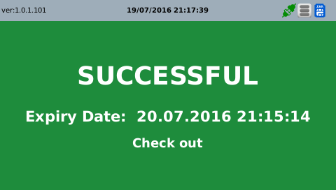 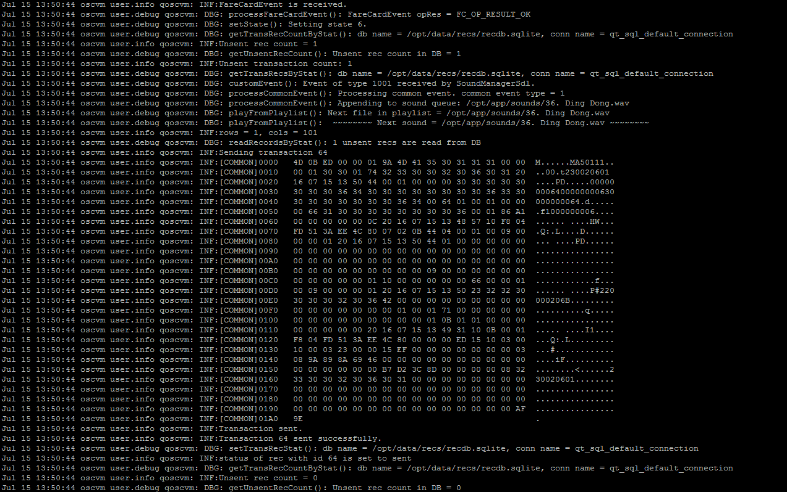

002
▶ Test Case SIT-OVM-MAO-01-002 : Upload validation data to DMC

1. Test Scenario
Test date |  | 1st |  | Tester |  | 1st
 |  | 2nd |  |  |  | 2nd
 |  | 3rd |  |  |  | 3rd

OVMC
Send the transaction data to DMC
DMC
Description |  | Upload validation data to DMC |  |  |  |  | Written by |  | KIM J.E.
Flow

NO | Task | Test data | Expected result | Person in charge | Result |  | Pass/Fail |  |  | Remark
 |  |  |  |  |  |  | 1st | 2nd | 3rd
1 | Send the transaction data to DMC -. After OVMC save the transaction data, send the transaction data to DMC | As soon as it saves the transaction data, OVMC sends this data to DMC. | Sending is OK | KIM J.E. | 1st |  |  |  |  | Test Data:B
 |  |  |  |  | 2nd
 |  |  |  |  | 3rd

2. Test Data
NO | Item | Value
A | Transaction data [MA501]
B

003
▶ Test Case SIT-OVM-MAO-01-003 : Transmit validation data to AMC

1. Test Scenario
Test date |  | 1st |  | Tester |  | 1st
 |  | 2nd |  |  |  | 2nd
 |  | 3rd |  |  |  | 3rd

Receiving Transmit validation data from OVMC
Sending Transmit validation data to AMC
Description |  | Transmit validation data to AMC |  |  |  |  | Written by |  | LEE H.
Flow

NO | Task | Test data | Expected result | Person in charge | Result |  | Pass/Fail |  |  | Remark
 |  |  |  |  |  |  | 1st | 2nd | 3rd
1 | [Receiving Transmit validation data from OVMC] 1. Menu: Bus > Transaction > Transaction 2. Input inquiry condition. 3. Click 'Search' button. | Test Data: A | 1. Show transaction list that meets the inquiry condition. | LEE H. | 1st
 |  |  |  |  | 2nd
 |  |  |  |  | 3rd
2 | [Sending Transmit validation data to AMC] 1. Menu: Bus > Scheduler > History Of Sub Job Execution 2. Input inquiry condition. 3. Click 'Search' button. 4. File Location: 'D:/AFCDATA/DEPOTMC/UPLOAD-BACKUP' | Test Data: B | 1. The batch job executes after receiving data. 2. File Name: Linking Item(5).System ID(9).Creation Date(14).Sequence(5).dat | LEE H. | 1st |  |  |  |  | Batch jobs execute every 5 minutes.
 |  |  |  |  | 2nd
 |  |  |  |  | 3rd

2. Test Data
NO | Item | Value
A | Device ID | 230000001
B | Main Job | [BD001] Jobs for Device Information
 | Sub Job | [BD00101] Send Boarding Transaction
 | Linking Item | FB706(Bus) / FT706(Tram)

004
▶ Test Case SIT-OVM-MAO-01-004 : Transmit validation data to OASA

1. Test Scenario
Test date |  | 1st |  | Tester |  | 1st
 |  | 2nd |  |  |  | 2nd
 |  | 3rd |  |  |  | 3rd

Receiving Transmit validation data from SMC
Duplicated?
Yes
No
Stored in transmit data table
Stored in dupliated data table
Sending Transmit validation data to OASA-MC
Description |  | Transmit validation data to OASA-MC |  |  |  |  | Written by |  | BAEK J.M
Flow

NO | Task | Test data | Expected result | Person in charge | Result |  | Pass/Fail |  |  | Remark
 |  |  |  |  |  |  | 1st | 2nd | 3rd
1 | [Receiving Transmit validation data from DMC] 1. Menu: Clearing > Tap Data > SVT Transaction(or Pass Transaction) 2. Input inquiry condition. 3. Click 'Search' button. | Test Data: A | 1. Show transaction list that meets the inquiry condition. | BAEK J.M | 1st
 |  |  |  |  | 2nd
 |  |  |  |  | 3rd
2 | [Receiving Duplicated Transmit validation data from DMC] 1. Menu: Clearing > Tap Data > Invalid Transaction 2. Input inquiry condition. 3. Click 'Search' button. | Test Data: B | 1. Show duplicated transaction list that meets the inquiry condition. | BAEK J.M | 1st
 |  |  |  |  | 2nd
 |  |  |  |  | 3rd
3 | [Sending Transmit validation data to OASA-MC] 1. AMC Create File to Transmit validation-data by job scheduler | Query C (OSY) Query D (T-STASY) | 1. Executing Query C on AMC DB, show the result of data that meet conditions. | BAEK J.M | 1st
 |  |  |  |  | 2nd
 |  |  |  |  | 3rd

2. Test Data
NO | Item | Value
A | Agency Name | T-STASY / OSY
 | Usage Date | Test Date
 | Agency Name | T-STASY / OSY
 | Usage Date | Test Date
C | Query C (OSY) | Select * from TBAAD311 where device_id='230000001' and use_date=${Test Date} and agency_id='001'
D | Query D (T-STASY) | Select * from TBAAD311 where device_id='230000001' and use_date=${Test Date} and agency_id='004'

005
▶ Test Case SIT-OVM-MAO-01-005 : Receiving validation data at OASA MC

1. Test Scenario
Test date |  | 1st |  | Tester |  | 1st
 |  | 2nd |  |  |  | 2nd
 |  | 3rd |  |  |  | 3rd

Receiving Transmit validation data from AMC
Validation
Yes
No
Stored in Invalid Transaction data table
Stored in transmit data table
Description |  | Receiveing validation data at OASA-MC |  |  |  |  | Written by |  | BAEK J.M
Flow

NO | Task | Test data | Expected result | Person in charge | Result |  | Pass/Fail |  |  | Remark
 |  |  |  |  |  |  | 1st | 2nd | 3rd
1 | [Receiving Transmit validation data from AMC] 1. Menu: Clearing > Tap Data > Valid Tap Data 2. Input inquiry condition. 3. Click 'Search' button. | Test Data: A | 1. Show transaction list that meets the inquiry condition. | BAEK J.M | 1st
 |  |  |  |  | 2nd
 |  |  |  |  | 3rd
2 | [Receiving Invalid Transmit Transaction data from AMC] 1. Menu: Clearing > Tap Data > Invalid Tap Data 2. Input inquiry condition. 3. Click 'Search' button. | Test Data: B | 1. Show duplicated transaction list that meets the inquiry condition. | BAEK J.M | 1st
 |  |  |  |  | 2nd
 |  |  |  |  | 3rd

2. Test Data
NO | Item | Value
A | Transaction Type | SVT Transaction
 | Date Type | USE_DATE
 | Use Date | Test Date
 | AGENCY | OSY / T-STASY
B | Error Date | Test Date
 | Agency | OSY / T-STASY

